UIF, Net Evap Data
Natural Inflow Record
 | UIF
Year | Annual Avg Flow (cfs) | Year | Net Evap (inches/yr)
1939 | 1991.3780822 | 1939 | 10.096
1940 | 1473.1092896 | 1940 | 12.421
1941 | 1146.5260274 | 1941 | 16.468
1942 | 1778.8465753 | 1942 | 8.703
1943 | 2221.6438356 | 1943 | 13.958
1944 | 2181.3797814 | 1944 | 9.107
1945 | 1895.709589 | 1945 | 6.702
1946 | 3022.7287671 | 1946 | 9.949
1947 | 1836.7369863 | 1947 | 10.428
1948 | 2558.2322404 | 1948 | 5.508
1949 | 3273.6958904 | 1949 | 4.026
1950 | 2012.8520548 | 1950 | 13.028
1951 | 1741.4219178 | 1951 | 12.095
1952 | 2252.6939891 | 1952 | 10.952
1953 | 2075.6136986 | 1953 | 9.069
1954 | 1746.7643836 | 1954 | 15.774
Net Evaporation Rate
1955 | 1403.4876712 | 1955 | 16.066
1956 | 1535.8278689 | 1956 | 10.559
1957 | 1823.909589 | 1957 | 11.221
1958 | 1754.8383562 | 1958 | 12.218
1959 | 1818.3616438 | 1959 | 10.338
1960 | 2154.0983607 | 1960 | 10.981
1961 | 2490.0054795 | 1961 | 2.719
1962 | 1971.1123288 | 1962 | 7.561
1963 | 2123.8739726 | 1963 | 5.886
1964 | 3073.8387978 | 1964 | -2.556
1965 | 1717.3972603 | 1965 | 14.035
1966 | 2102.4054795 | 1966 | 3.968
1967 | 2477.9616438 | 1967 | 3.043
1968 | 1943.1830601 | 1968 | 9.506
1969 | 2041.5452055 | 1969 | 7.754
1970 | 1447.5726027 | 1970 | 12.153
1971 | 2147.7753425 | 1971 | 7.953
1972 | 2297.4726776 | 1972 | 7.964
1973 | 2942.2219178 | 1973 | 6.116
1974 | 2290.1232877 | 1974 | 10.381
1975 | 2438.8547945 | 1975 | 5.443
1976 | 2553.5163934 | 1976 | 9.093
1977 | 2335.290411 | 1977 | 7.27
1978 | 1858.0657534 | 1978 | 15.45
1979 | 2681.2109589 | 1979 | 4.525
1980 | 2265.2896175 | 1980 | 6.817
1981 | 1028.5671233 | 1981 | 15.949
1982 | 1980.4876712 | 1982 | 5.301
1983 | 2269.6027397 | 1983 | 4.711
1984 | 2291.7349727 | 1984 | 11.574
1985 | 1340.4410959 | 1985 | 12.04
1986 | 1009.690411 | 1986 | 15.62
1987 | 1402.1863014 | 1987 | 15.735
1988 | 1000.1721311 | 1988 | 16.512
1989 | 2239.6876712 | 1989 | 5.216
1990 | 2620.0739726 | 1990 | 8.209
1991 | 2430.5890411 | 1991 | 8.992
1992 | 2651.6038251 | 1992 | 5.472
1993 | 2380.939726 | 1993 | 11.256
1994 | 2302.5287671 | 1994 | 7.427
1995 | 2390.9726027 | 1995 | 8.259
1996 | 2634.5983607 | 1996 | 8.815
1997 | 2221.3726027 | 1997 | 4.215
1998 | 2666.2849315 | 1998 | 6.099
1999 | 1360.6876712 | 1999 | 16.153
2000 | 1170.284153 | 2000 | 14.358
2001 | 1204.2520548 | 2001 | 10.704
2002 | 1500.5479452 | 2002 | 8.3
2003 | 2595.5616438 | 2003 | 5.439
2004 | 2014.7213115 | 2004 | 9.136
2005 | 2522.6273973 | 2005 | 5.5
2006 | 1534.8493151 | 2006 | 15.541
2007 | 1134.8246575 | 2007 | 19.917
2008 | 1145.0273224 | 2008 | 12.59

DemandFunctions
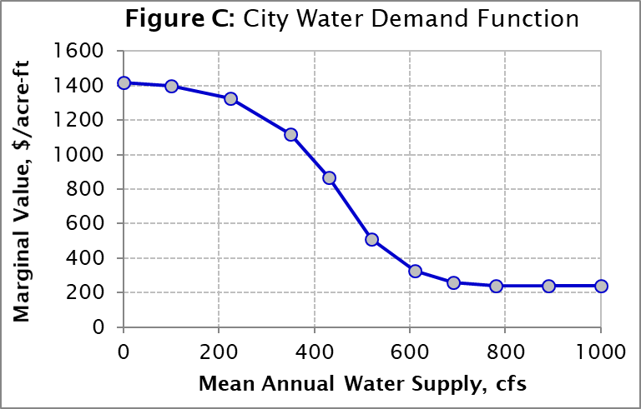
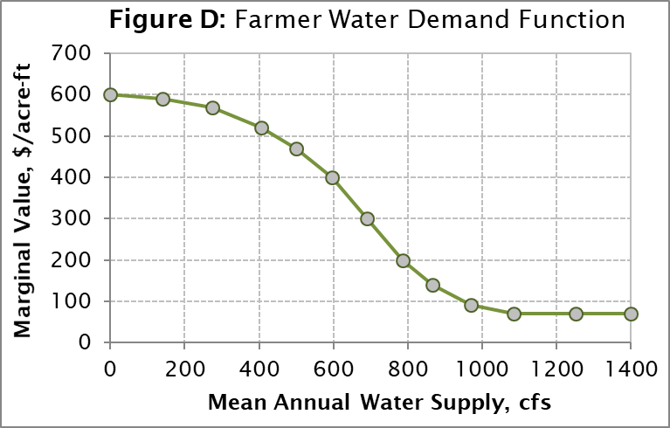
Municipal Water Supply Value Function |  | Irrigation Value Function
cfs | $/acre-ft | cfs | $/acre-ft
 |  | 0 | 600
 |  | 140 | 590
0 | 1420 | 275 | 570
100 | 1400 | 405 | 520
225 | 1325 | 500 | 470
350 | 1120 | 595 | 400
430 | 870 | 690 | 300
520 | 510 | 785 | 200
610 | 325 | 865 | 140
690 | 260 | 970 | 92
780 | 240 | 1085 | 70
890 | 240 | 1250 | 70
1000 | 240 | 1400 | 70

